Results
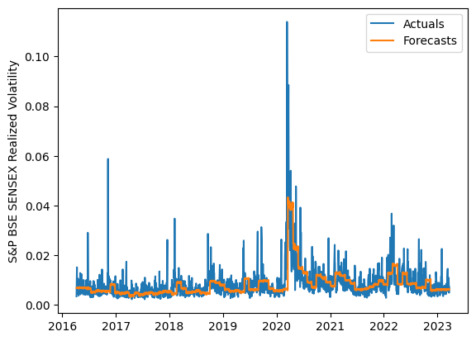
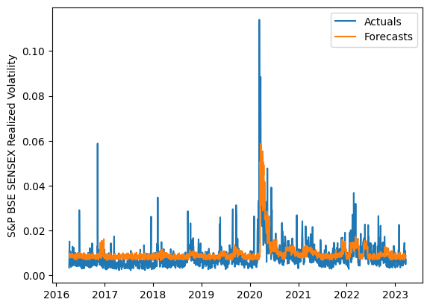
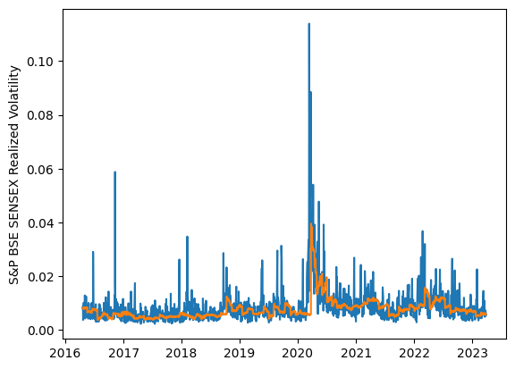
 | LSTM |  |  | TCN |  |  | NBEATSx |  |  |  |  | LSTM |  |  | TCN |  |  | NBEATSx
 | Accuracy | RMSE | Qlike | Accuracy | RMSE | Qlike | Accuracy | RMSE | Qlike |  |  | Accuracy | RMSE | Qlike | Accuracy | RMSE | Qlike | Accuracy | RMSE | Qlike
Trial 1 | 62.01% | 0.30% | 9.79% | 47.88% | 0.36% | 15.11% | 68.15% | 0.29% | 13.78% |  | Mean | 64.80% | 0.298% | 0.092 | 45.99% | 0.373% | 0.159 | 68.07% | 0.295% | 0.139
Trial 2 | 62.81% | 0.32% | 9.93% | 44.35% | 0.39% | 16.32% | 68.27% | 0.30% | 14.65% |  | Standard Deviation | 2.69% | 0.008% | 0.006 | 4.35% | 0.021% | 0.017 | 0.37% | 0.002% | 0.005
Trial 3 | 67.08% | 0.29% | 8.64% | 37.64% | 0.41% | 19.48% | 68.49% | 0.30% | 14.58% |  | 95% CI upper bound | 70.18% | 0.314% | 0.104 | 54.69% | 0.415% | 0.194 | 68.80% | 0.299% | 0.148
Trial 4 | 64.91% | 0.30% | 9.03% | 40.49% | 0.40% | 18.03% | 68.71% | 0.29% | 13.90% |  | 95% CI lower bound | 59.43% | 0.281% | 0.079 | 37.29% | 0.331% | 0.124 | 67.33% | 0.291% | 0.130
Trial 5 | 64.62% | 0.29% | 9.06% | 49.33% | 0.36% | 14.61% | 68.16% | 0.29% | 13.40% |  | 99.7% CI upper bound | 72.86% | 0.323% | 0.111 | 59.04% | 0.436% | 0.211 | 69.17% | 0.301% | 0.153
Trial 6 | 69.26% | 0.29% | 8.57% | 44.87% | 0.38% | 16.28% | 67.74% | 0.29% | 13.24% |  | 99.7% CI lower bound | 56.74% | 0.272% | 0.073 | 32.94% | 0.310% | 0.107 | 66.96% | 0.289% | 0.126
Trial 7 | 62.51% | 0.30% | 9.70% | 56.03% | 0.33% | 12.03% | 68.67% | 0.29% | 13.53%
Trial 8 | 67.72% | 0.29% | 8.35% | 45.13% | 0.37% | 16.11% | 67.53% | 0.30% | 13.60%
Trial 9 | 63.95% | 0.30% | 9.21% | 44.49% | 0.38% | 16.31% | 67.94% | 0.30% | 13.75%
Trial 10 | 64.50% | 0.29% | 9.09% | 45.38% | 0.38% | 16.00% | 67.66% | 0.30% | 14.33%
Trial 11 | 58.90% | 0.31% | 10.70% | 47.56% | 0.36% | 15.22% | 67.84% | 0.30% | 14.53%
Trial 12 | 64.32% | 0.30% | 9.10% | 50.21% | 0.35% | 14.33% | 68.19% | 0.30% | 14.27%
Trial 13 | 64.92% | 0.29% | 8.96% | 42.34% | 0.39% | 17.46% | 67.88% | 0.30% | 13.84%
Trial 14 | 68.35% | 0.29% | 8.36% | 45.32% | 0.38% | 16.29% | 68.14% | 0.29% | 13.54%
Trial 15 | 66.21% | 0.30% | 9.00% | 48.87% | 0.36% | 14.76% | 67.61% | 0.30% | 13.75%

 | LSTM (best trial) |  |  |  |  |  |  |  |  | TCN (best trial) |  |  |  |  |  |  |  |  | NBEATSx (best trial)

